EX1
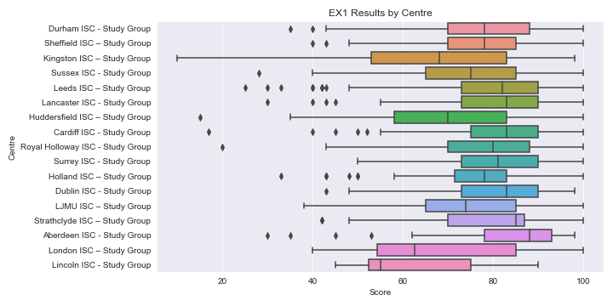
Centre | count | mean | std | min | 25% | 50% | 75% | max
Durham ISC - Study Group | 559 | 77.937388193 | 11.359931517 | 35 | 70 | 78 | 88 | 100
Sheffield ISC – Study Group | 493 | 77.929006085 | 11.27109722 | 40 | 70 | 78 | 85 | 100
Sussex ISC - Study Group | 359 | 74.412256267 | 13.438561425 | 28 | 65 | 75 | 85 | 100
Leeds ISC – Study Group | 301 | 79.757475083 | 13.281728763 | 25 | 73 | 82 | 90 | 100
Lancaster ISC - Study Group | 238 | 80.924369748 | 12.097466111 | 30 | 73 | 83 | 90 | 100
Kingston ISC – Study Group | 220 | 67.554545455 | 18.593506189 | 10 | 53 | 68 | 83 | 98
Huddersfield ISC – Study Group | 197 | 69.395939086 | 15.797364278 | 15 | 58 | 70 | 83 | 100
Cardiff ISC - Study Group | 147 | 80.897959184 | 12.956055703 | 17 | 75 | 83 | 90 | 100
Royal Holloway ISC - Study Group | 142 | 78.73943662 | 13.208464714 | 20 | 70 | 80 | 88 | 100
Surrey ISC - Study Group | 126 | 81.023809524 | 11.820297313 | 50 | 73 | 81 | 90 | 100
Holland ISC – Study Group | 100 | 76.38 | 11.771202662 | 33 | 71.5 | 78 | 83 | 100
Dublin ISC - Study Group | 99 | 80.939393939 | 12.255626098 | 43 | 73 | 83 | 90 | 98
LJMU ISC – Study Group | 74 | 73.621621622 | 15.624622913 | 38 | 65 | 74 | 85 | 100
Strathclyde ISC – Study Group | 49 | 78.163265306 | 14.844116313 | 42 | 70 | 85 | 87 | 100
Aberdeen ISC - Study Group | 37 | 82.378378378 | 17.114567141 | 30 | 78 | 88 | 93 | 98
London ISC – Study Group | 36 | 67.138888889 | 17.281125588 | 40 | 54.25 | 62.5 | 85 | 100
Lincoln ISC - Study Group | 15 | 62.8 | 14.746428139 | 45 | 52.5 | 55 | 75 | 90

EX3R
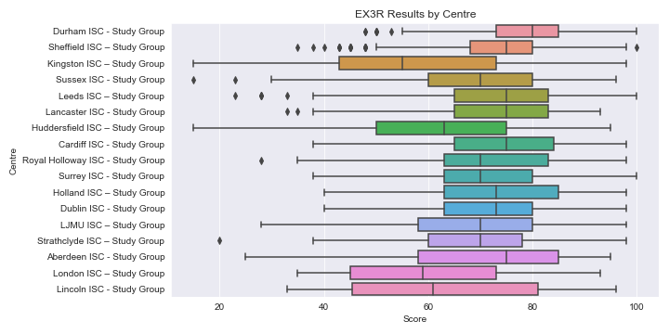
Centre | count | mean | std | min | 25% | 50% | 75% | max
Durham ISC - Study Group | 559 | 78.744186047 | 10.156518697 | 48 | 73 | 80 | 85 | 100
Sheffield ISC – Study Group | 493 | 73.030425963 | 11.178934859 | 35 | 68 | 75 | 80 | 100
Sussex ISC - Study Group | 359 | 69.799442897 | 13.270663227 | 15 | 60 | 70 | 80 | 96
Leeds ISC – Study Group | 301 | 73.468438538 | 13.716285961 | 23 | 65 | 75 | 83 | 100
Lancaster ISC - Study Group | 238 | 72.781512605 | 12.298097458 | 33 | 65 | 75 | 83 | 93
Kingston ISC – Study Group | 220 | 56.763636364 | 18.121823808 | 15 | 43 | 55 | 73 | 98
Huddersfield ISC – Study Group | 197 | 62.279187817 | 17.267056736 | 15 | 50 | 63 | 75 | 95
Cardiff ISC - Study Group | 147 | 74.040816327 | 13.352890791 | 38 | 65 | 75 | 84 | 98
Royal Holloway ISC - Study Group | 142 | 71.077464789 | 13.900392333 | 28 | 63 | 70 | 83 | 98
Surrey ISC - Study Group | 126 | 70.071428571 | 13.606574041 | 38 | 63 | 70 | 80 | 100
Holland ISC – Study Group | 100 | 72.58 | 13.259781981 | 40 | 63 | 73 | 85 | 98
Dublin ISC - Study Group | 99 | 71.95959596 | 13.535229311 | 40 | 63 | 73 | 80 | 98
LJMU ISC – Study Group | 74 | 68.972972973 | 15.721874625 | 28 | 58 | 70 | 80 | 98
Strathclyde ISC – Study Group | 49 | 68.673469388 | 16.936631595 | 20 | 60 | 70 | 78 | 98
Aberdeen ISC - Study Group | 37 | 70.432432432 | 20.589291365 | 25 | 58 | 75 | 85 | 95
London ISC – Study Group | 36 | 61.388888889 | 15.721282714 | 35 | 45 | 59 | 73 | 93
Lincoln ISC - Study Group | 15 | 62.2 | 20.23504739 | 33 | 45.5 | 61 | 81 | 96

CW1
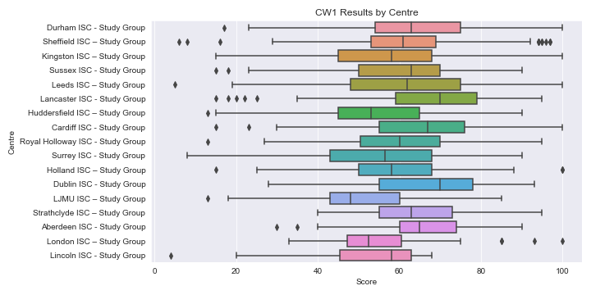
Centre | count | mean | std | min | 25% | 50% | 75% | max
Durham ISC - Study Group | 559 | 64.198568873 | 14.706626823 | 17 | 54 | 63 | 75 | 100
Sheffield ISC – Study Group | 493 | 60.967545639 | 12.987758521 | 6 | 53 | 61 | 69 | 97
Sussex ISC - Study Group | 359 | 60.651810585 | 14.154916662 | 15 | 50 | 63 | 70 | 90
Leeds ISC – Study Group | 301 | 61.431893688 | 17.532812459 | 5 | 48 | 62 | 75 | 100
Lancaster ISC - Study Group | 238 | 68.399159664 | 15.076608847 | 15 | 59 | 70 | 79 | 95
Kingston ISC – Study Group | 220 | 56.277272727 | 15.845153439 | 15 | 45 | 58 | 68 | 100
Huddersfield ISC – Study Group | 197 | 55.314720812 | 14.328238016 | 13 | 45 | 53 | 65 | 90
Cardiff ISC - Study Group | 147 | 65.197278912 | 16.243287109 | 15 | 55 | 67 | 76 | 100
Royal Holloway ISC - Study Group | 142 | 61.274647887 | 15.417657909 | 13 | 50.5 | 60 | 70 | 95
Surrey ISC - Study Group | 126 | 55.73015873 | 15.690717102 | 8 | 43 | 56.5 | 68 | 90
Holland ISC – Study Group | 100 | 58.75 | 14.786271957 | 15 | 50 | 58 | 68 | 100
Dublin ISC - Study Group | 99 | 65.777777778 | 15.738653545 | 28 | 55 | 70 | 78 | 93
LJMU ISC – Study Group | 74 | 50.121621622 | 15.388087104 | 13 | 43 | 48 | 60 | 85
Strathclyde ISC – Study Group | 49 | 64.693877551 | 12.225663039 | 40 | 55 | 63 | 73 | 95
Aberdeen ISC - Study Group | 37 | 65.027027027 | 12.981795986 | 30 | 60 | 65 | 74 | 90
London ISC – Study Group | 36 | 56.472222222 | 16.025847178 | 33 | 47.25 | 52.5 | 60.5 | 100
Lincoln ISC - Study Group | 15 | 50.6 | 18.426688719 | 4 | 45.5 | 58 | 63 | 68

EX3W
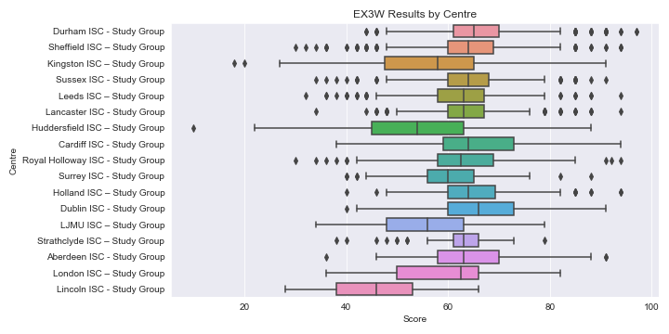
Centre | count | mean | std | min | 25% | 50% | 75% | max
Durham ISC - Study Group | 559 | 66.806797853 | 9.0938096011 | 44 | 61 | 65 | 70 | 97
Sheffield ISC – Study Group | 493 | 63.685598377 | 9.9294531642 | 30 | 60 | 64 | 69 | 94
Sussex ISC - Study Group | 359 | 64.005571031 | 8.5629429067 | 34 | 60 | 64 | 68 | 91
Leeds ISC – Study Group | 301 | 62.205980066 | 8.9976347329 | 32 | 58 | 63 | 67 | 94
Lancaster ISC - Study Group | 238 | 63.672268908 | 8.7372419286 | 34 | 60 | 63 | 67 | 94
Kingston ISC – Study Group | 220 | 56.154545455 | 12.300414934 | 18 | 47.5 | 58 | 65 | 91
Huddersfield ISC – Study Group | 197 | 53.730964467 | 12.036242277 | 10 | 45 | 54 | 63 | 88
Cardiff ISC - Study Group | 147 | 65.605442177 | 11.270982152 | 38 | 59 | 64 | 73 | 94
Royal Holloway ISC - Study Group | 142 | 62.929577465 | 11.203246672 | 30 | 58 | 62.5 | 69 | 94
Surrey ISC - Study Group | 126 | 59.80952381 | 8.4168538404 | 40 | 56 | 60 | 65 | 88
Holland ISC – Study Group | 100 | 65.74 | 10.307024181 | 40 | 60 | 64 | 69.25 | 94
Dublin ISC - Study Group | 99 | 65.818181818 | 10.665951584 | 40 | 60 | 66 | 73 | 91
LJMU ISC – Study Group | 74 | 55.621621622 | 9.9639111849 | 34 | 48 | 56 | 63 | 79
Strathclyde ISC – Study Group | 49 | 61.959183673 | 8.0621522759 | 38 | 61 | 63 | 66 | 79
Aberdeen ISC - Study Group | 37 | 65.189189189 | 12.045833392 | 36 | 58 | 63 | 70 | 91
London ISC – Study Group | 36 | 58.972222222 | 9.9325902566 | 36 | 50 | 62.5 | 66 | 82
Lincoln ISC - Study Group | 15 | 45.6 | 11.140659124 | 28 | 38 | 46 | 53 | 66

CW3
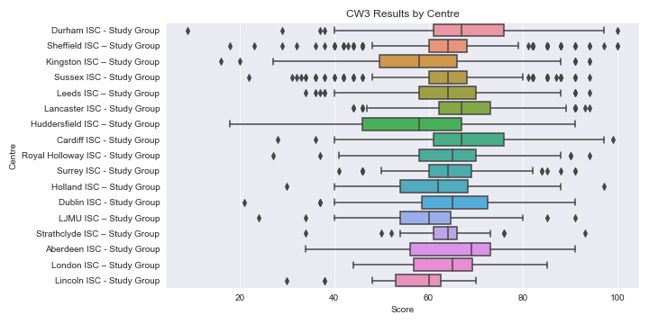
Centre | count | mean | std | min | 25% | 50% | 75% | max
Durham ISC - Study Group | 559 | 68.048300537 | 11.733273452 | 9 | 61 | 67 | 76 | 100
Sheffield ISC – Study Group | 493 | 63.592292089 | 10.637318369 | 18 | 60 | 64 | 68 | 100
Sussex ISC - Study Group | 359 | 64.228412256 | 10.610586865 | 22 | 60 | 64 | 68 | 94
Leeds ISC – Study Group | 301 | 64.132890365 | 10.810285902 | 34 | 58 | 64 | 70 | 94
Lancaster ISC - Study Group | 238 | 67.794117647 | 10.119728771 | 44 | 62.25 | 67 | 73 | 94
Kingston ISC – Study Group | 220 | 57.536363636 | 14.236218056 | 16 | 49.5 | 58 | 66 | 94
Huddersfield ISC – Study Group | 197 | 57.411167513 | 14.252406784 | 18 | 46 | 58 | 67 | 91
Cardiff ISC - Study Group | 147 | 67.727891156 | 13.631429147 | 28 | 61 | 67 | 76 | 99
Royal Holloway ISC - Study Group | 142 | 65.605633803 | 11.466854946 | 27 | 58 | 65 | 70 | 94
Surrey ISC - Study Group | 126 | 64.579365079 | 9.2020460113 | 41 | 60 | 64 | 69 | 91
Holland ISC – Study Group | 100 | 62.62 | 12.353202668 | 30 | 54 | 62 | 68.25 | 97
Dublin ISC - Study Group | 99 | 65.070707071 | 13.036254412 | 21 | 58.5 | 65 | 72.5 | 91
LJMU ISC – Study Group | 74 | 59.405405405 | 9.944942845 | 24 | 54 | 60 | 64.75 | 91
Strathclyde ISC – Study Group | 49 | 63.918367347 | 7.9394498516 | 34 | 61 | 64 | 66 | 93
Aberdeen ISC - Study Group | 37 | 64.864864865 | 13.679185653 | 34 | 56 | 69 | 73 | 91
London ISC – Study Group | 36 | 63.666666667 | 11.793460658 | 44 | 56.75 | 65 | 69.25 | 85
Lincoln ISC - Study Group | 15 | 55.8 | 11.681487185 | 30 | 53 | 60 | 62.5 | 70

EX2
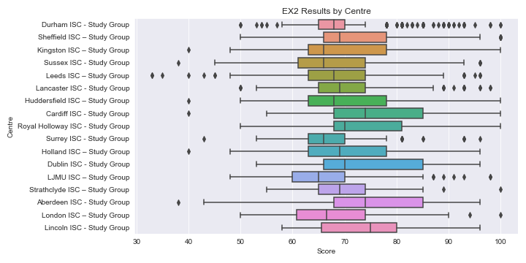
Centre | count | mean | std | min | 25% | 50% | 75% | max
Durham ISC - Study Group | 559 | 69.502683363 | 8.1634013633 | 50 | 65 | 68 | 70 | 100
Sheffield ISC – Study Group | 493 | 71.997971602 | 9.4327958821 | 50 | 66 | 69 | 78 | 100
Sussex ISC - Study Group | 359 | 68.038997214 | 10.630074081 | 38 | 61 | 66 | 74 | 96
Leeds ISC – Study Group | 301 | 68.03654485 | 10.427942911 | 33 | 63 | 68 | 74 | 96
Lancaster ISC - Study Group | 238 | 71.193277311 | 9.4192345725 | 50 | 65 | 69 | 74 | 98
Kingston ISC – Study Group | 220 | 68.990909091 | 10.663808511 | 40 | 63 | 66 | 78 | 100
Huddersfield ISC – Study Group | 197 | 69.949238579 | 11.026751419 | 40 | 63 | 68 | 78 | 100
Cardiff ISC - Study Group | 147 | 76.680272109 | 11.912343313 | 40 | 68 | 74 | 85 | 100
Royal Holloway ISC - Study Group | 142 | 73.774647887 | 9.876826066 | 50 | 68 | 70 | 81 | 100
Surrey ISC - Study Group | 126 | 67.96031746 | 8.6610861154 | 43 | 63 | 66 | 70 | 96
Holland ISC – Study Group | 100 | 70.28 | 11.805733926 | 40 | 63 | 69 | 78 | 96
Dublin ISC - Study Group | 99 | 74.95959596 | 11.775033422 | 53 | 66 | 70 | 85 | 96
LJMU ISC – Study Group | 74 | 66.743243243 | 11.789315816 | 48 | 60 | 65 | 70 | 98
Strathclyde ISC – Study Group | 49 | 70.244897959 | 8.063628764 | 55 | 65 | 69 | 74 | 100
Aberdeen ISC - Study Group | 37 | 73.513513514 | 13.712568488 | 38 | 68 | 74 | 85 | 96
London ISC – Study Group | 36 | 68.111111111 | 12.754333219 | 50 | 60.75 | 66.5 | 74 | 100
Lincoln ISC - Study Group | 15 | 73.466666667 | 9.5981148943 | 58 | 65.5 | 75 | 80 | 96

CW2
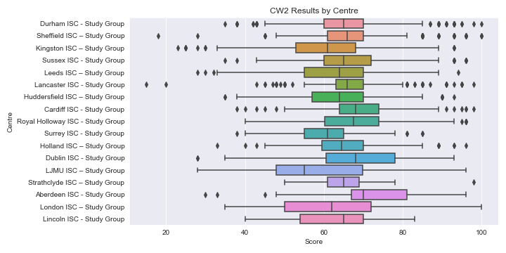
Centre | count | mean | std | min | 25% | 50% | 75% | max
Durham ISC - Study Group | 559 | 65.84078712 | 10.409950958 | 35 | 60 | 65 | 70 | 100
Sheffield ISC – Study Group | 493 | 66.965517241 | 9.7558002127 | 18 | 61 | 66 | 70 | 100
Sussex ISC - Study Group | 359 | 66.462395543 | 10.891445357 | 35 | 60 | 65 | 72 | 96
Leeds ISC – Study Group | 301 | 63.481727575 | 11.548325925 | 28 | 55 | 64 | 70 | 94
Lancaster ISC - Study Group | 238 | 66.882352941 | 10.559197379 | 15 | 63 | 66 | 70 | 98
Kingston ISC – Study Group | 220 | 59.736363636 | 13.659711298 | 23 | 53 | 61 | 68 | 93
Huddersfield ISC – Study Group | 197 | 63.736040609 | 11.998357479 | 35 | 57 | 64 | 70 | 93
Cardiff ISC - Study Group | 147 | 69.462585034 | 10.537130766 | 38 | 64 | 68 | 74 | 98
Royal Holloway ISC - Study Group | 142 | 68.302816901 | 12.184159835 | 40 | 60.25 | 67.5 | 74 | 96
Surrey ISC - Study Group | 126 | 60.69047619 | 8.8430440783 | 38 | 55 | 61 | 65 | 85
Holland ISC – Study Group | 100 | 65.73 | 11.981344927 | 33 | 59.5 | 64.5 | 70 | 96
Dublin ISC - Study Group | 99 | 67.909090909 | 13.916728232 | 28 | 60.5 | 68 | 78 | 93
LJMU ISC – Study Group | 74 | 58.756756757 | 16.839134793 | 28 | 48 | 55 | 69.75 | 96
Strathclyde ISC – Study Group | 49 | 65.857142857 | 8.0622577483 | 50 | 61 | 65 | 69 | 98
Aberdeen ISC - Study Group | 37 | 70 | 14.615440846 | 30 | 67 | 70 | 81 | 96
London ISC – Study Group | 36 | 63.472222222 | 16.538243319 | 35 | 50 | 62 | 72 | 100
Lincoln ISC - Study Group | 15 | 62.933333333 | 12.220981178 | 40 | 54 | 65 | 70 | 83

Charts
